Luxembourg

FILL IN THE YELLOW | Languages changes |  |  | PLEASE TRANSLATE ONLY THE 2 PARTS HIGHLIGHTED IN GREEN

 | Early childhood education | Underachievement in reading | Underachievement in maths | Underachievement in science | Early leavers from education and training | Tertiary educational attainment | Low achieving eight-graders in digital skills | Exposure of VET graduates to work based learning | Participation of adults in learning
Luxembourg | 88.4% | 29.3% | 27.2% | 26.8% | 8.2% | 60.6%
Strongest performer | 100.0% | 11.1% | 10.2% | 8.8% | 2.2% | 60.6%
Weakest performer | 68.8% | 47.1% | 46.60% | 46.5% | 16.7% | 24.9%
EU average | 92.8% | 22.5% | 22.9% | 22.3% | 9.9% | 40.5%
EU target | 96.0% | 15.0% | 15.0% | 15.0% | 9.0% | 45.0%

Figure 2: position in relation to strongest and weakest performers

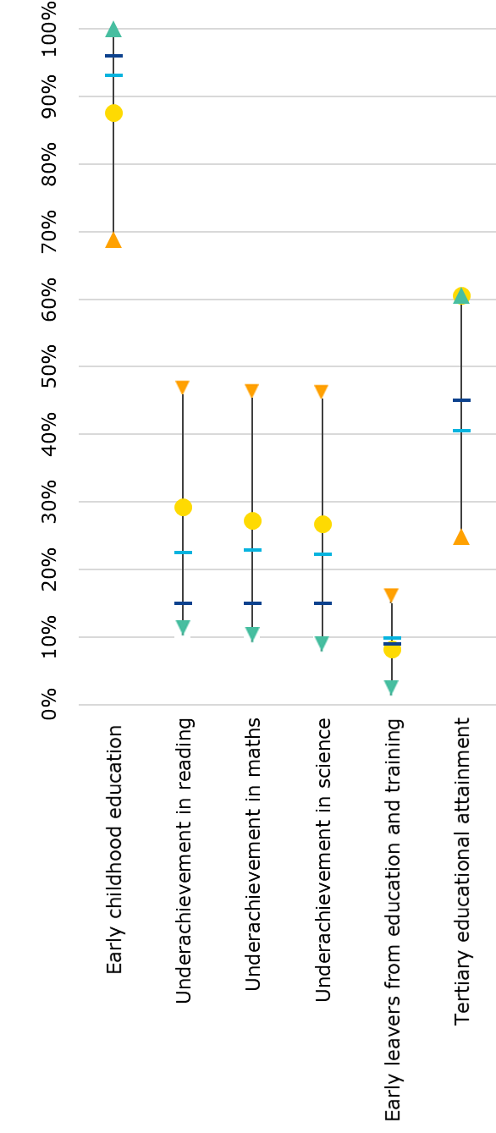
Country
performance
Strongest
performer
Weakest
performer
EU average
EU target

